Sheet1
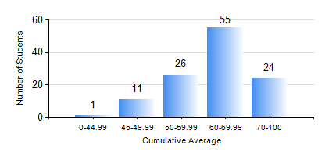
 |  |  | KWAME NKRUMAH UNIVERSITY OF SCIENCE AND TECHNOLOGY, KUMASI Department of Materials Engineering

 |  |  | BSC. MATERIALS ENG.

 |  |  | COMPREHENSIVE RECORD OF EXAMINATION RESULTS

 |  |  | RESULTS OF YEAR 4 SECOND SEMESTER, 2024/2025 ACADEMIC YEAR

 | Sn | Course Code |  | Course Name | Credit Hours | Min. Mark | Max. Mark | Avg. Mark | Std. Dev. | No. Passed | No. Trailed | No. (Df) | No. (I) | No. (I*) | No. Tagged(I,I*,Df) | Total
 | 0. |  |  |  |  |  |  | 0 | 0 | 0 | 0 | 0 | 0 | 0 | 0 | 4
 | 1. | ME 492 |  | MANAGEMENT AND ENTREPRENEURSHIP DEVELOPMENT | 2 | 24 | 78 | 64 | 9.45 | 110 | 2 | 0 | 1 | 0 | 1 | 113
 | 2. | MSE 452 |  | WASTE MANAGEMENT | 3 | 46 | 93 | 72 | 9.39 | 113 | 0 | 0 | 0 | 0 | 0 | 113
 | 3. | MSE 454 |  | SURFACE TREATMENT OF MATERIALS | 3 | 40 | 86 | 66 | 11.1 | 113 | 0 | 0 | 0 | 0 | 0 | 113
 | 4. | MSE 456 |  | MATERIALS QUALITY CONTROL, ASSURANCE AND SELECTION | 3 | 51 | 86 | 70 | 6.72 | 113 | 0 | 0 | 0 | 0 | 0 | 113
 | 5. | MSE 458 |  | PROCESS DYNAMICS AND CONTROL | 4 | 41 | 93 | 67 | 12.44 | 113 | 0 | 0 | 0 | 0 | 0 | 113
 | 6. | MSE 498 |  | FINAL YEAR PROJECT-THESIS PHASE | 4 | 46 | 84 | 79 | 5.43 | 113 | 0 | 0 | 0 | 0 | 0 | 113

